Datailed Inquiry Information
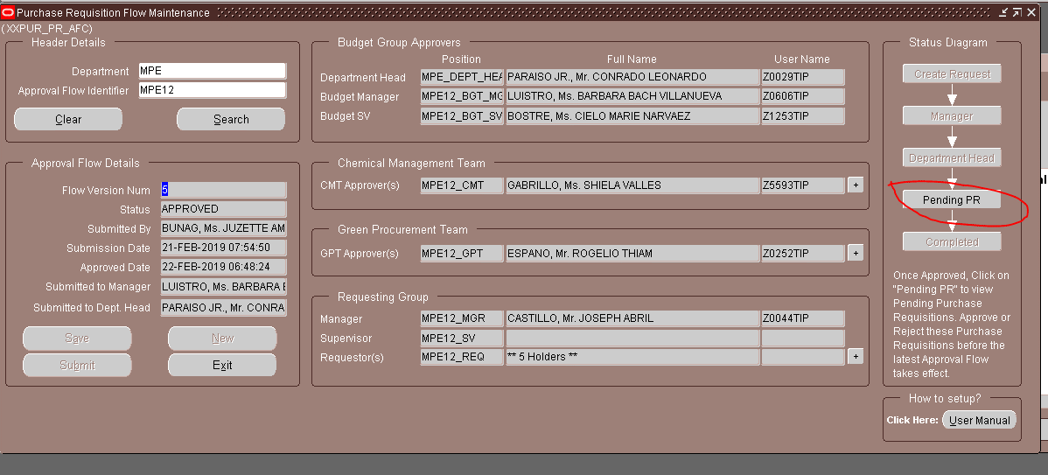
Detailed Inquiry Information

 | PLEASE PROVIDE EVIDENCE OF REQUEST / DETAILS OF REQUEST HERE (IN DETAIL).

Detailed Investigation Result
Detailed Investigation Result

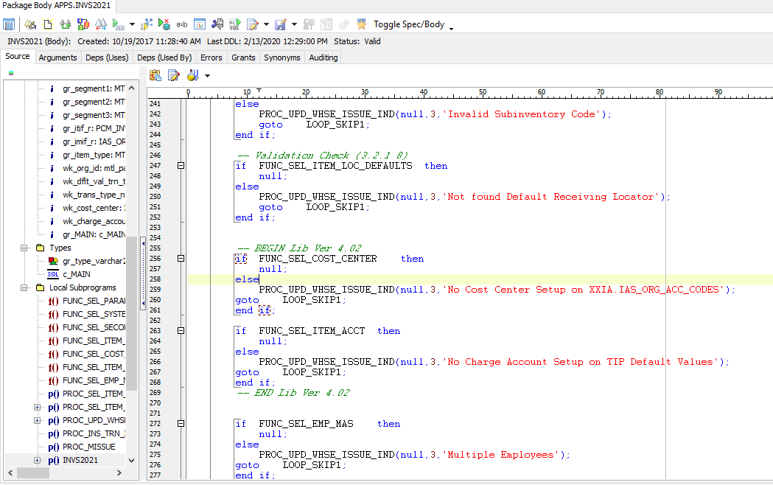

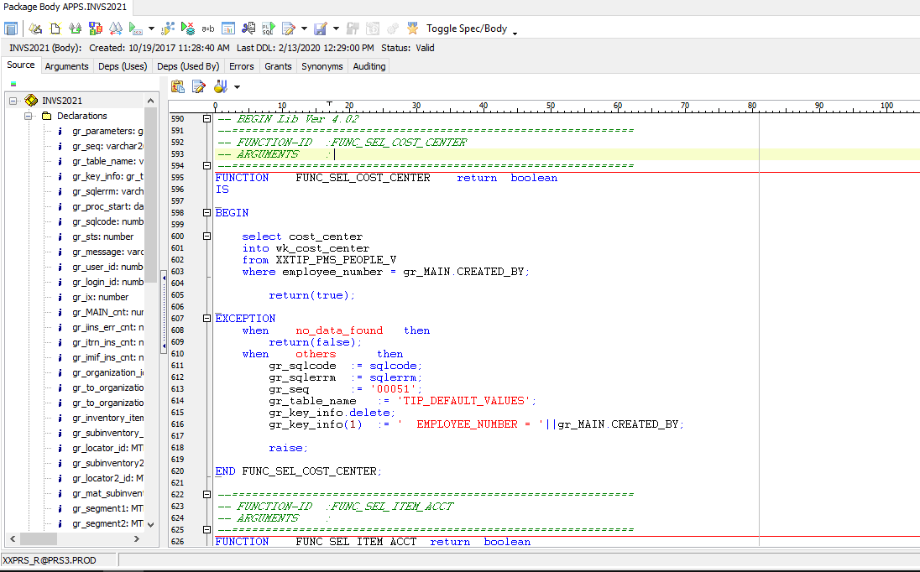

No data fetch because employee was already resigned

Actual Operation Evidence
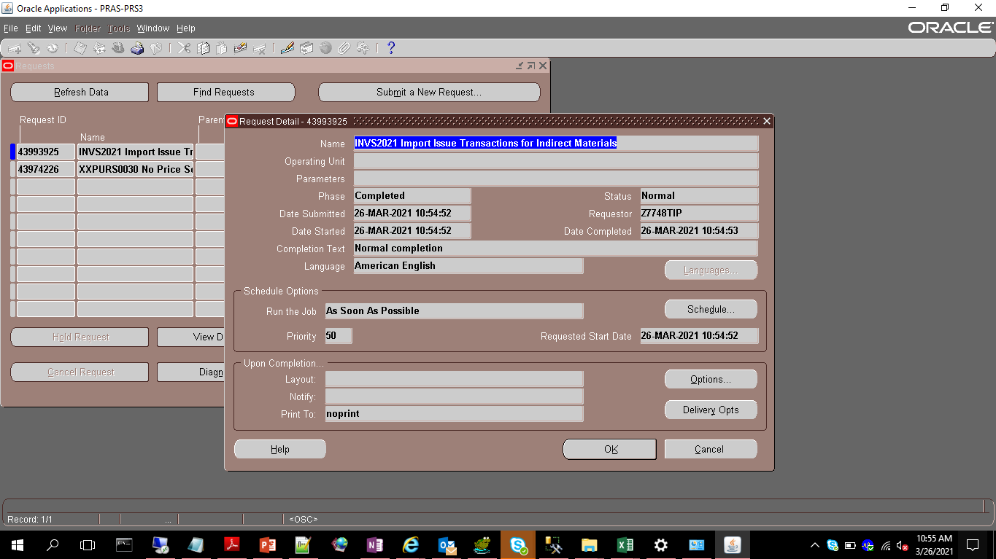
Actual Operation Evidence

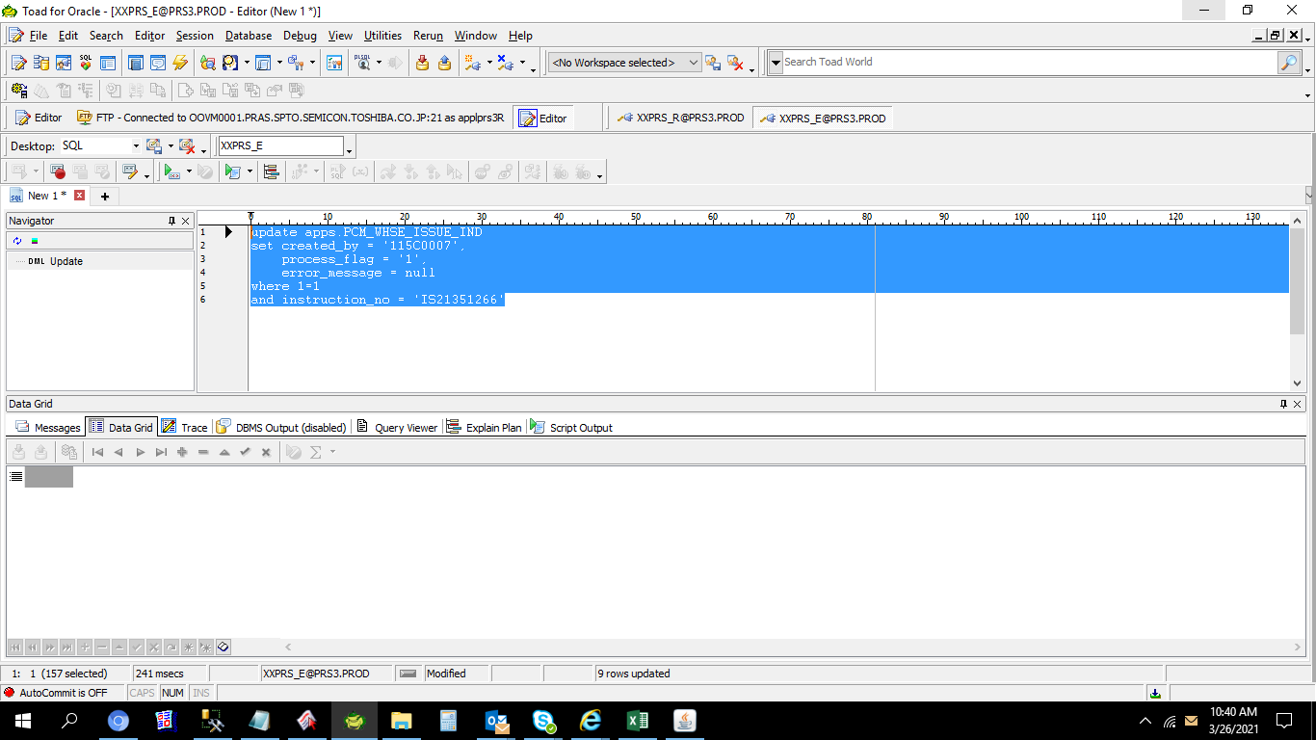

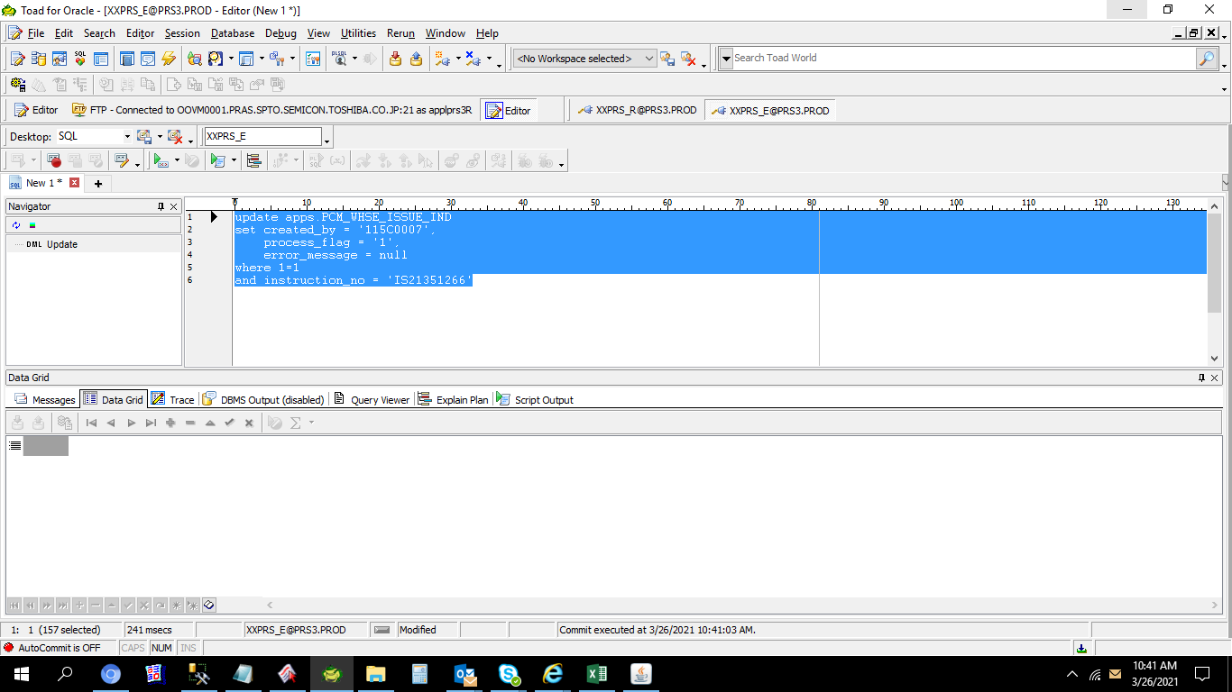

 | THEN RE-EXECUTE INVS2021

Helpdesk Request
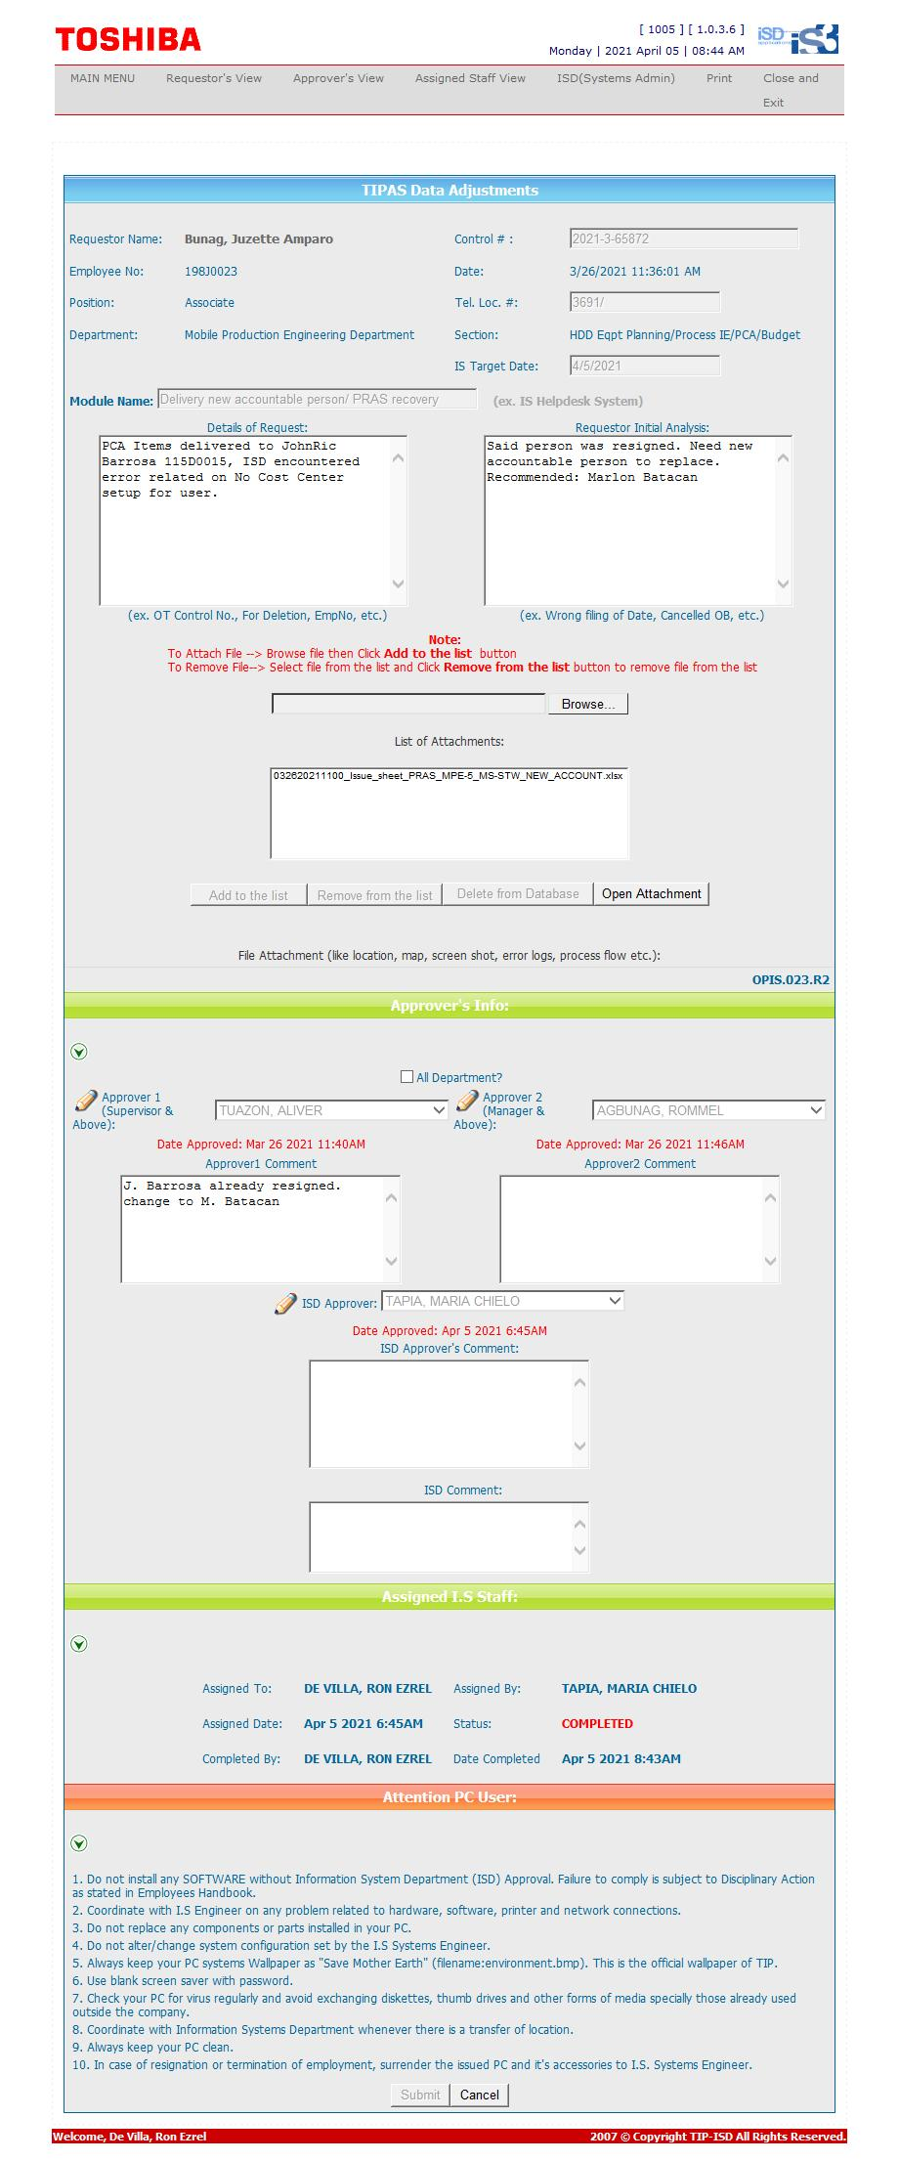
Helpdesk Request

 | ATTACH SCREENSHOT OF HELPDESK REQUEST.

